graph
Varen Finance
volume |  | TVL
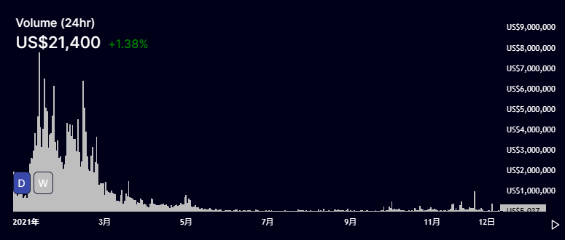 | 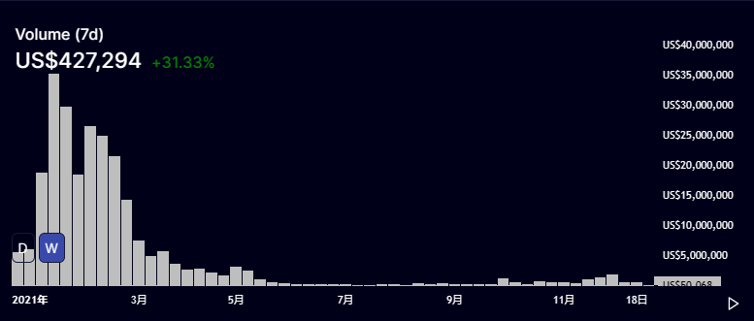 | 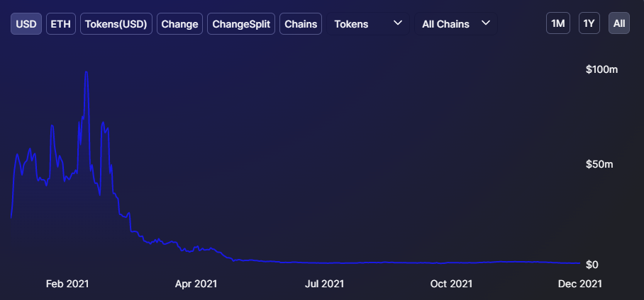
数据来源：https://info.varen.exchange/home | 数据来源：https://info.varen.exchange/home | 数据来源：https://defillama.com/protocol/varen

Anyswap(Multichain)
TVL | Volume
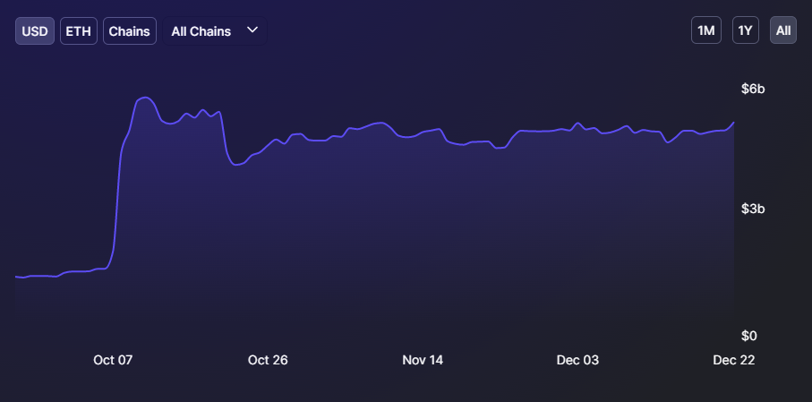 | 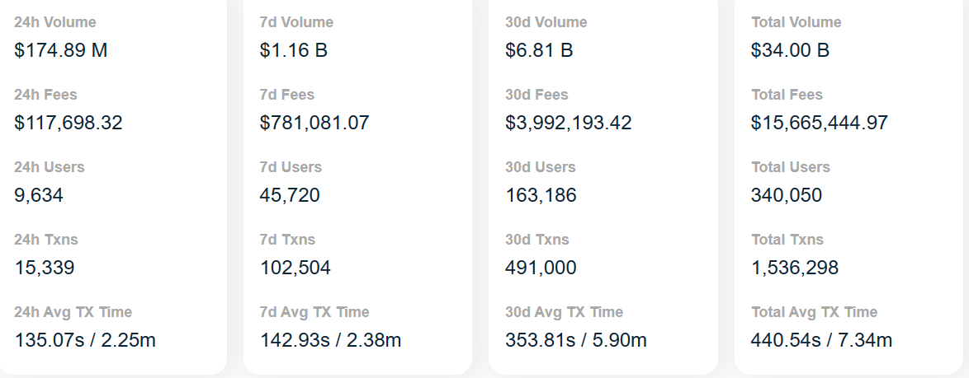
数据来源：https://defillama.com/protocol/multichain | 数据来源：https://anyswap.net/dashboard

Synapse
volume
ETH Bridge 交易的nUSD的volume | BSC Bridge 交易的nUSD的volume | Polygon Bridge 交易的nUSD的volume
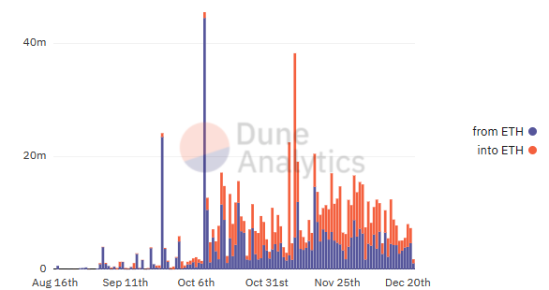 | 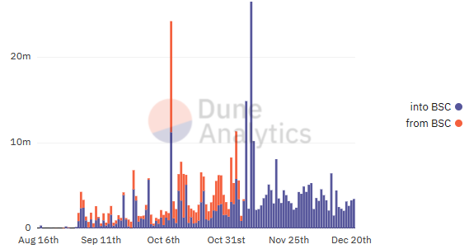 | 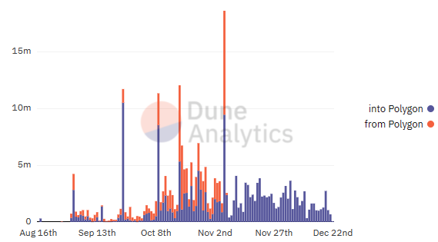
注：此Dune给出的数据不完整，因此其只能作为整体volume的参考
数据来源：https://dune.xyz/Chi_Squared/Synapse?1.%20Asset=nUSD | 数据来源：https://dune.xyz/Chi_Squared/Synapse?1.%20Asset=nUSD | 数据来源：https://dune.xyz/Chi_Squared/Synapse?1.%20Asset=nUSD

HOP
Total Users | TVL
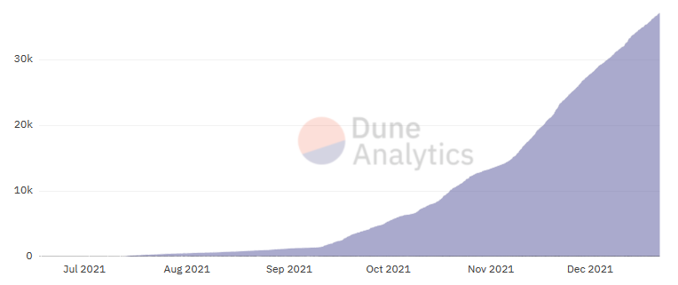 | 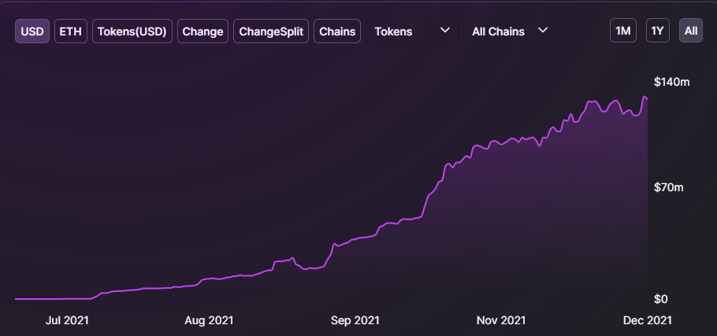
数据来源：https://dune.xyz/rchen8/Hop-Exchange | 数据来源：https://defillama.com/protocol/hop-protocol

Connext
volume | Transactions | TVL
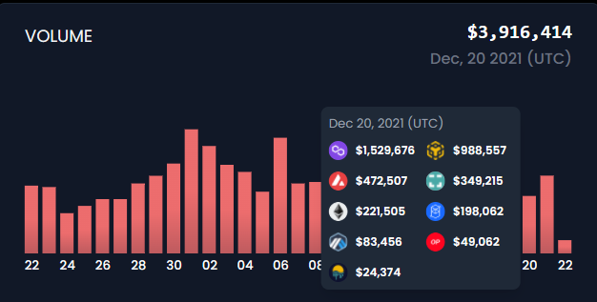 | 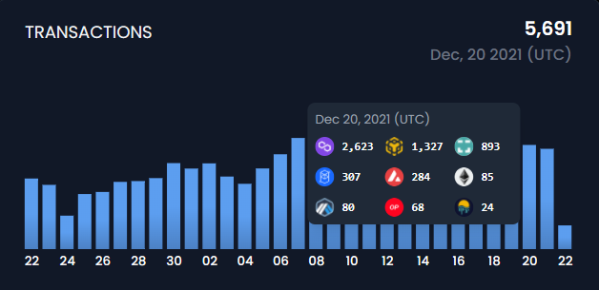 | 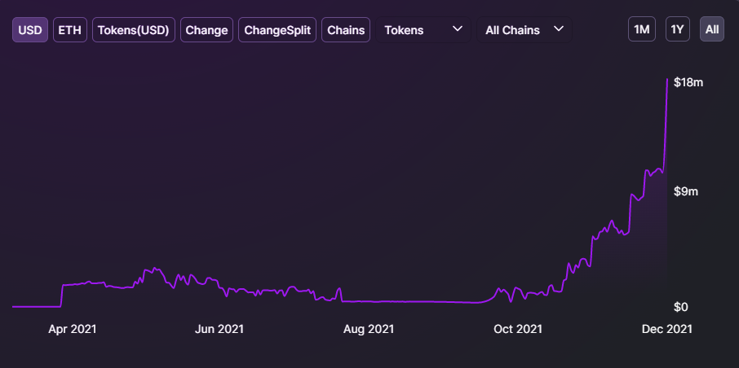
数据来源：https://connextscan.io/ | 数据来源：https://connextscan.io/ | 数据来源：https://defillama.com/protocol/connext

Osmosis
volume | TVL
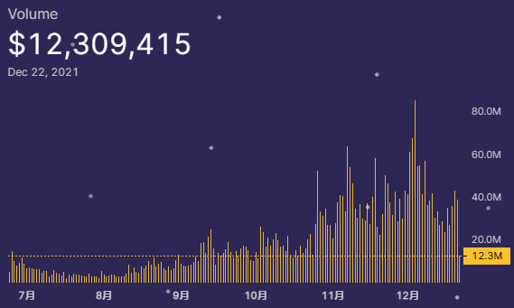 | 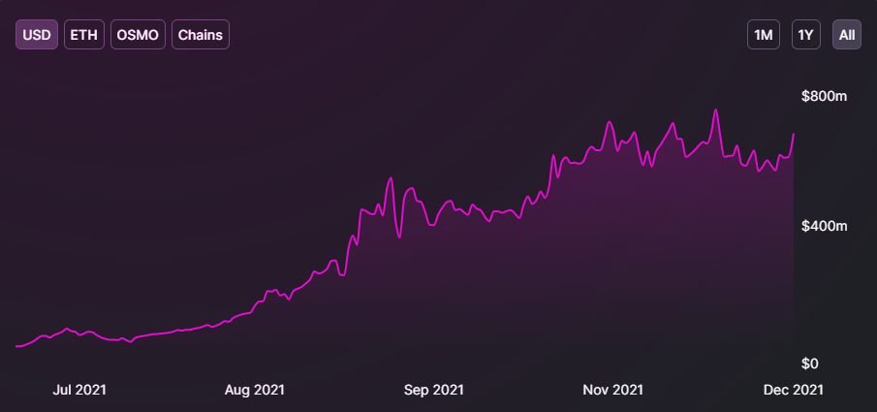
数据来源：https://info.osmosis.zone/ | 数据来源：https://defillama.com/protocol/osmosis

Thorchain
volume | TVL
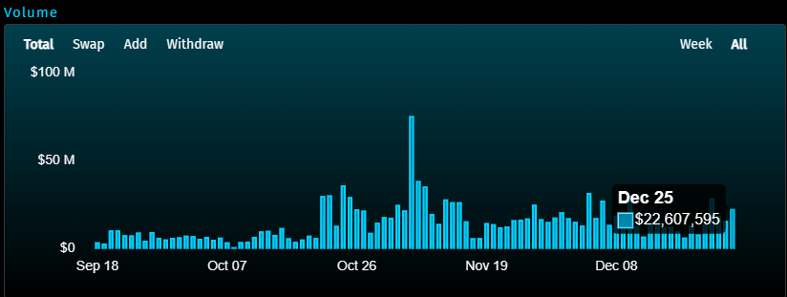 | 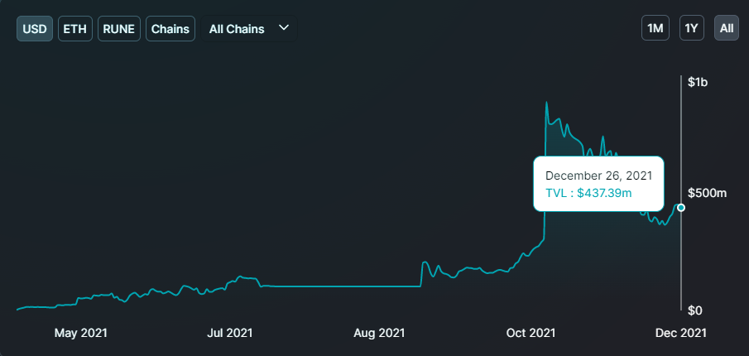
数据来源：https://app.thorswap.finance/ | 数据来源：https://defillama.com/protocol/thorchain

